Tempest Characteristic
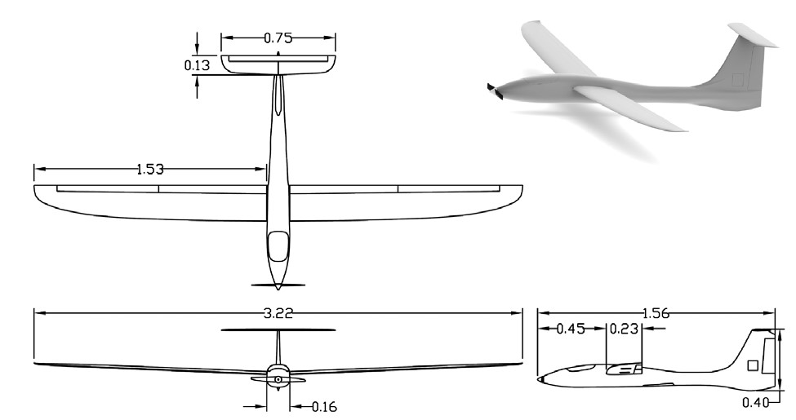
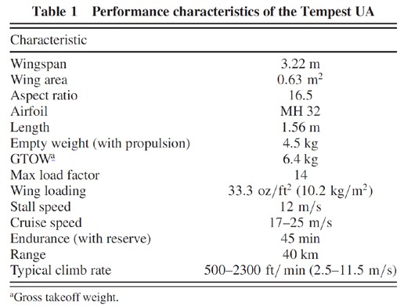

SOURCE: | Roadman, J., Elston, J., Argrow, B., and Frew, E., “Mission Performance of the Tempest Unmanned Aircraft System in Supercell Storms,” Journal of Aircraft, Vol. 49, No. 6, pp. 18211830 (2012).

Boeing 747-200 Characteristics
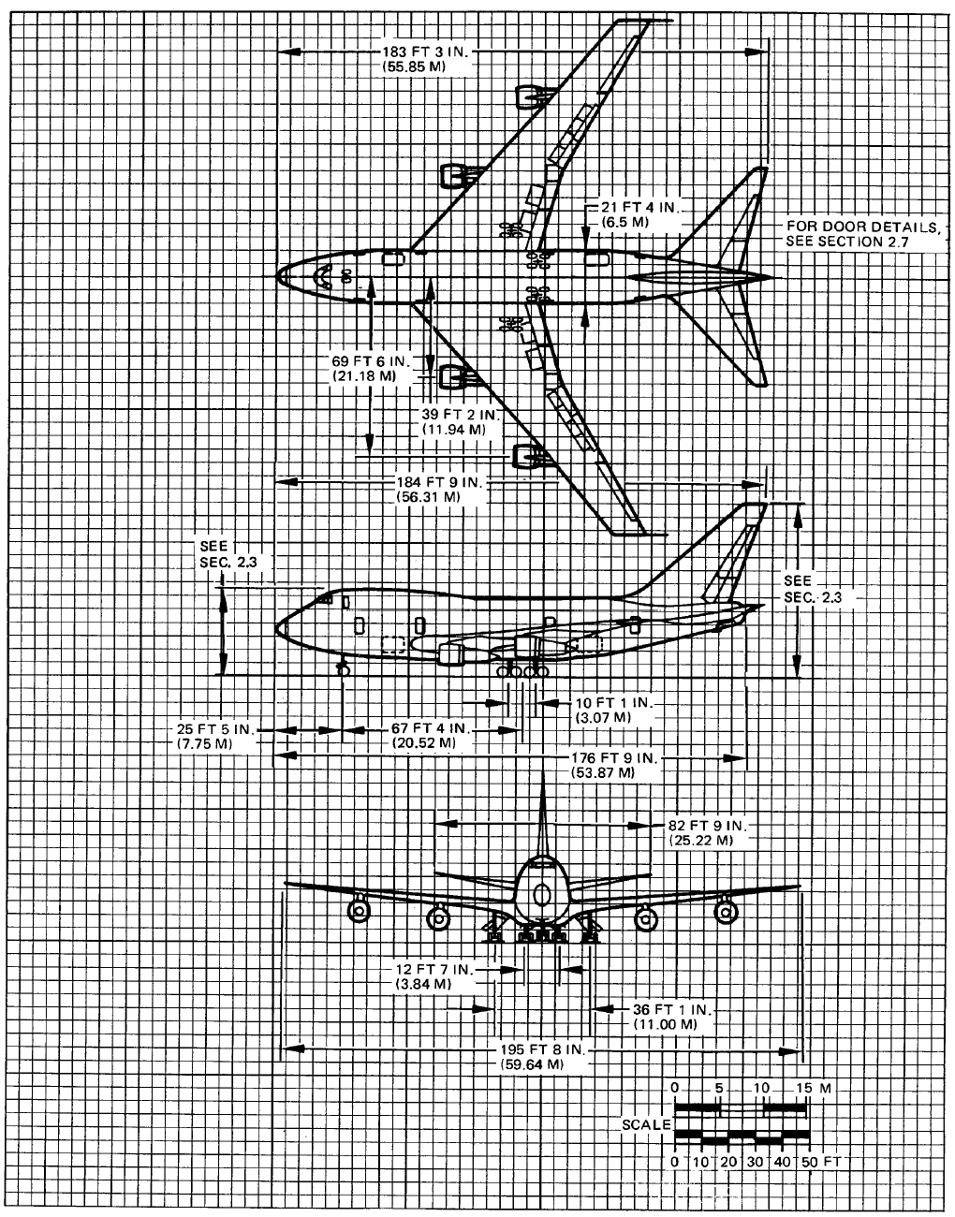
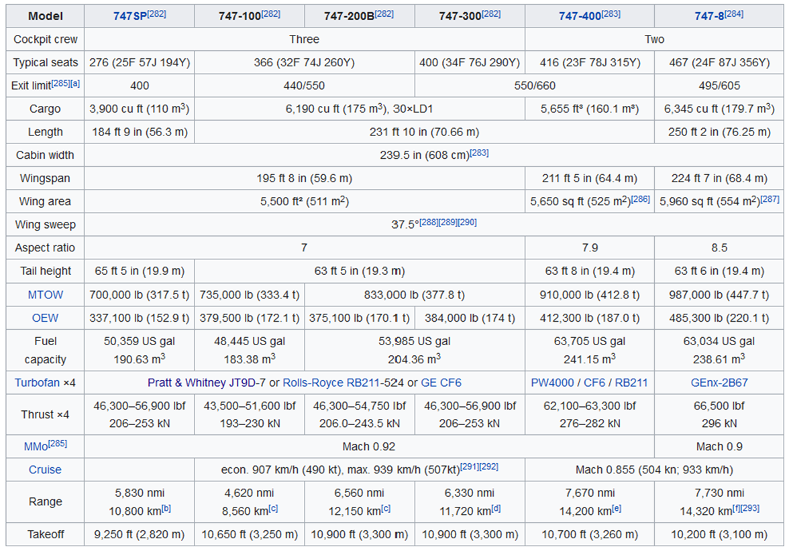

 |  | SOURCE: | https://en.wikipedia.org/wiki/Boeing_747#Specifications
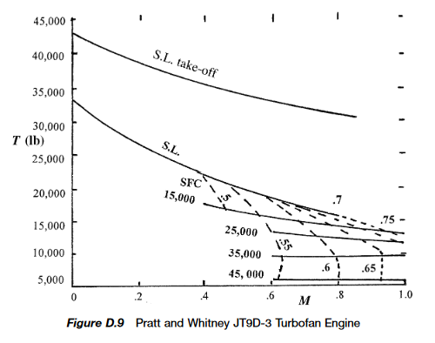

SOURCE: | Boeing 747 Airplane Characteristics: Airport Planning, Boeing Commercial Airplane Company, May 1984
 | Full PDF file of this drawing can be found in your CANVAS lab materials module. You can use Adobe Acrobat to do
 | scaled measurements of this drawing where specific dimensions you may need are not shown.

 |  | SOURCE: | Saarlas, M., Aircraft Performance, John Wiley & Sons, Inc., 2007

Boeing 747 Drag Polar (Exp)
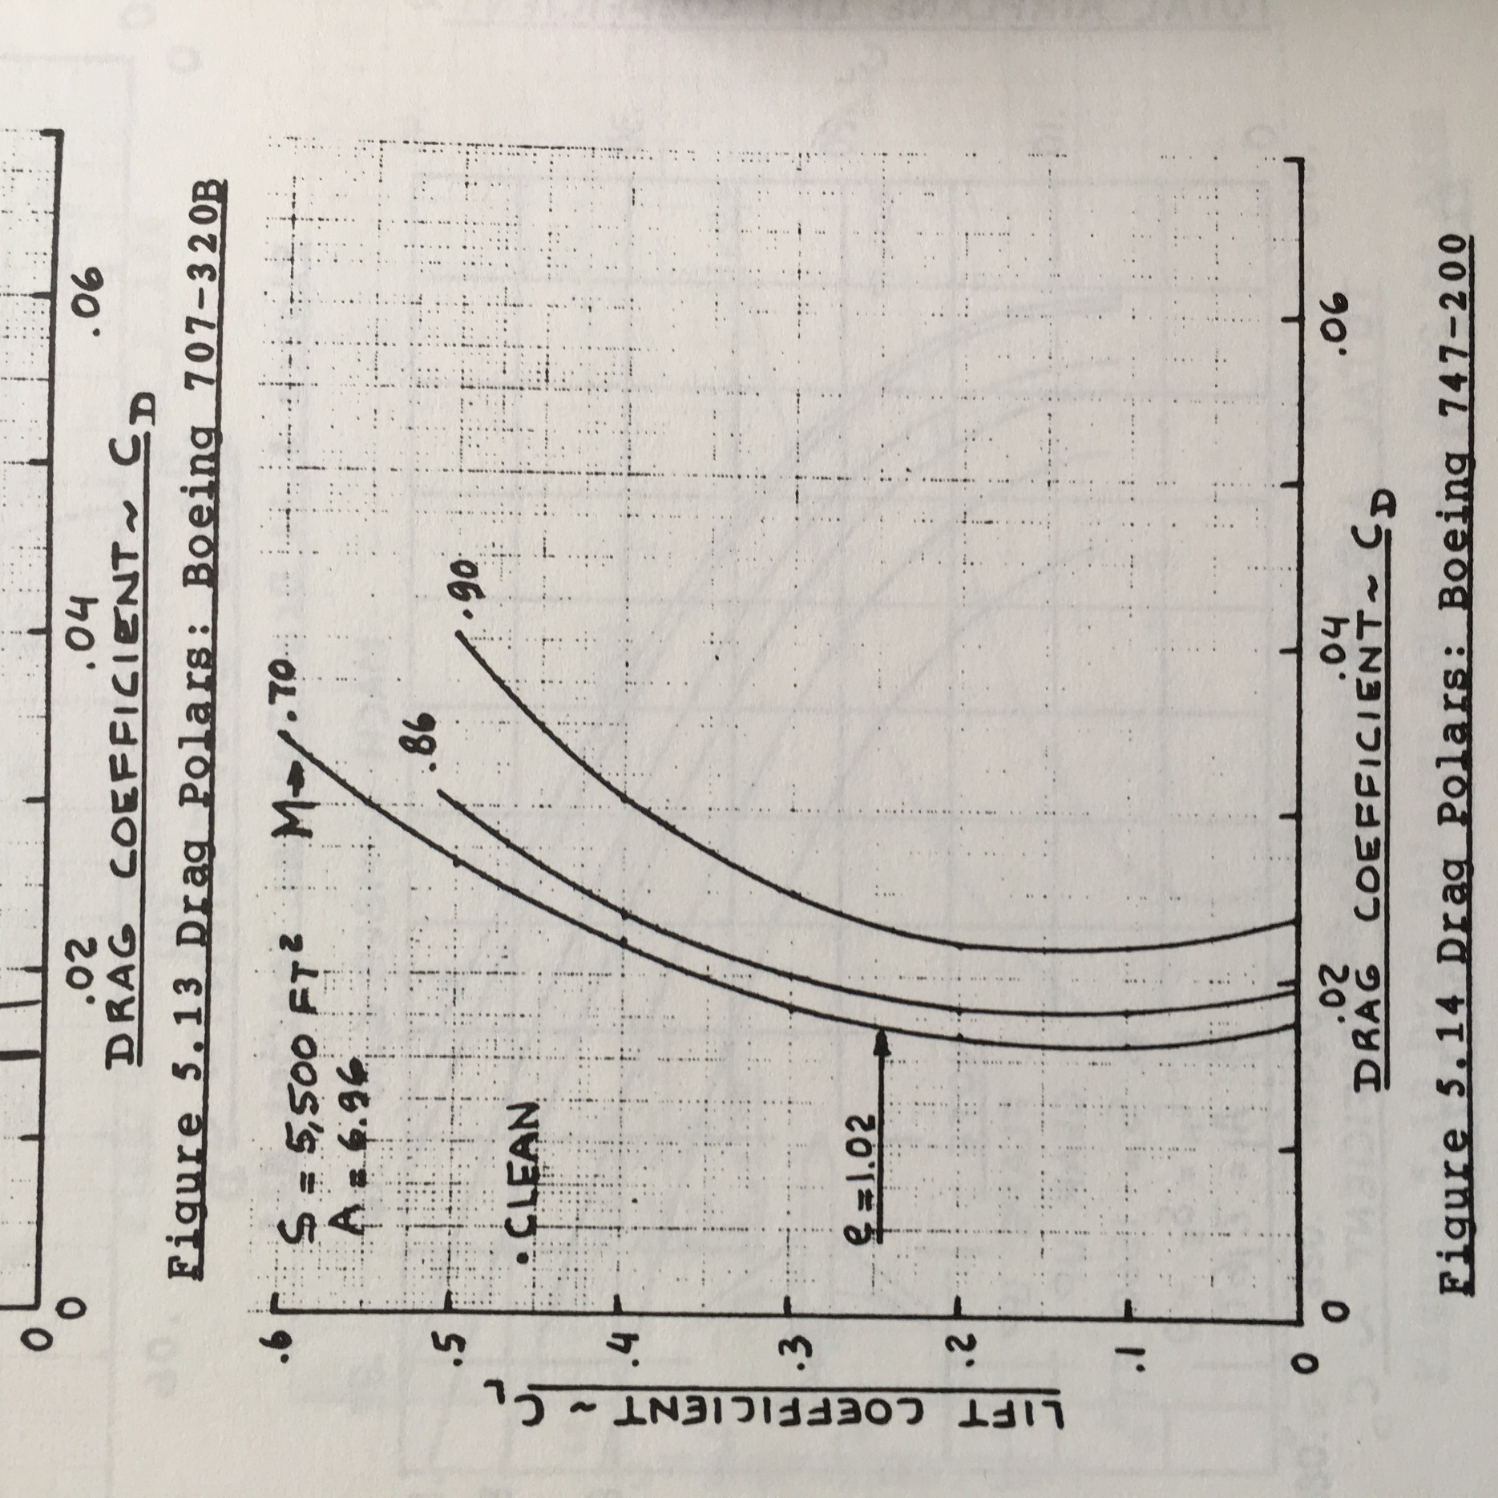
 |  | CL | CD
 |  | 0.5922 | 0.0342
 |  | 0.5683 | 0.0323
 |  | 0.5473 | 0.0306
 |  | 0.5240 | 0.0290
 |  | 0.4962 | 0.0273
 |  | 0.4724 | 0.0259
 |  | 0.4486 | 0.0247
 |  | 0.4219 | 0.0232
 |  | 0.3981 | 0.0224
 |  | 0.3719 | 0.0212
 |  | 0.3486 | 0.0203
 |  | 0.3234 | 0.0194
 |  | 0.3001 | 0.0186
 |  | 0.2735 | 0.0182
 |  | 0.2493 | 0.0174
 |  | 0.2236 | 0.0171
 |  | 0.2009 | 0.0169
 |  | 0.1738 | 0.0165
 |  | 0.1525 | 0.0165
 |  | 0.1255 | 0.0163
 |  | 0.1037 | 0.0165
 |  | 0.0781 | 0.0166
 |  | 0.0550 | 0.0168
 |  | 0.0285 | 0.0173
 |  | 0.0039 | 0.0180

**FOR THE ASEN 2004 AERO LAB, USE THE M = 0.7 CURVE ONLY
SOURCE: | Roskam, J., Airplane Design Part VI: Preliminary Calculation of Aerodynamic, Thrust and Power Characteristics, University of Kansas, 1990.

